Data_Wind
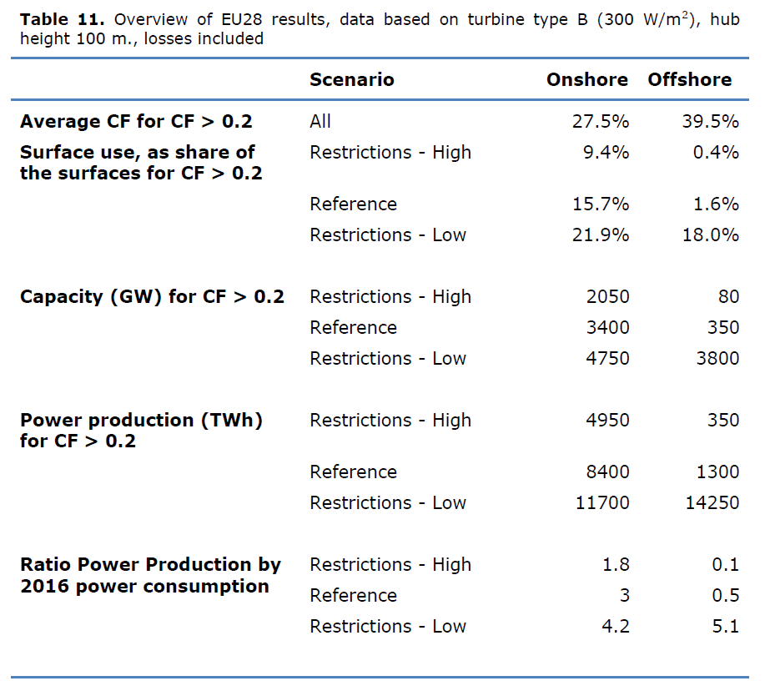

Sum of capacity with CF > 0.2
 | EU-28 | UK | EU-27
Onshore; Restrictions - Low | 4750 | 436 | 4314
Offshore; Restrictions - Low | 3800 | 1040 | 2760

Data_Geothermal
Economic Potential of Geothermal in 2050 in TWh | 2582
FLH Geothermal [h] | 8760
Potential Installed Capacity in 2050 in TW | 0.29474885845
Potential Installed Capacity in 2050 in MW | 294748.85845

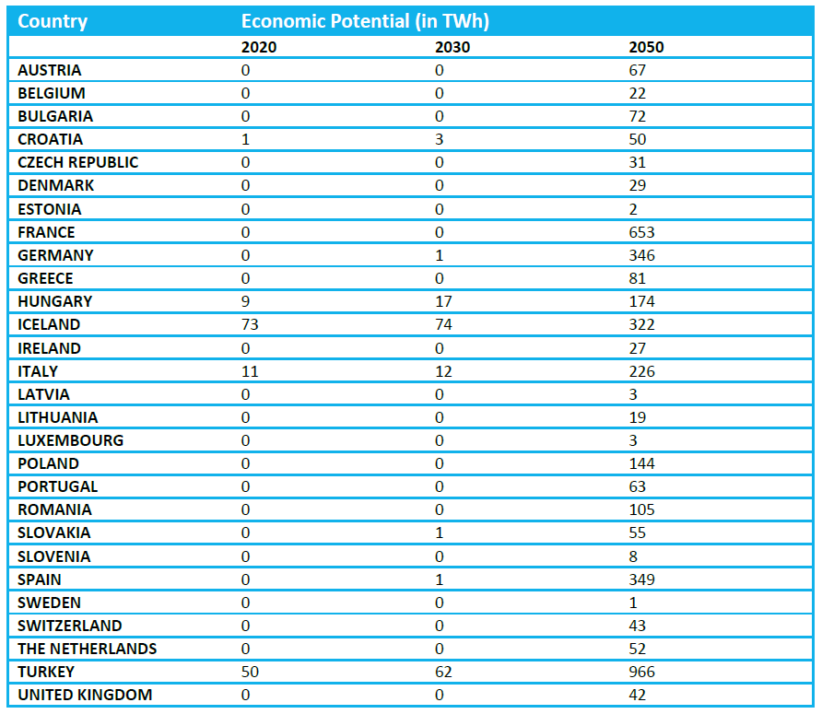
 |  | Sum of 2050 potential by country |  |  |  | Table 6: Economic Potential per country (2020 = LCOE < 200 EUR/MWh; 2030 = LCOE < 150 EUR/MWh; 2050 = LCOE < 100 EUR/MWh)
 |  | 1 | Austria | 67
Notes: |  | 2 | Belgium | 22
Since the theoretical capacity of geothermal is huge, |  | 3 | Bulgaria | 72
here, the "economic" potential of the year 2050 is |  | 4 | Croatia | 50
taken from source (4). |  | 5 | Czech Republic | 31
 |  | 6 | Denmark | 29
 |  | 7 | Estonia | 2
 |  | 8 | France | 653
 |  | 9 | Germany | 346
 |  | 10 | Greece | 81
 |  | 11 | Hungary | 174
 |  | 12 | Ireland | 27
 |  | 13 | Italy | 226
 |  | 14 | Latvia | 3
 |  | 15 | Lithuaina | 19
 |  | 16 | Luxembourg | 3
 |  | 17 | Poland | 144
 |  | 18 | Portugal | 63
 |  | 19 | Romania | 105
 |  | 20 | Slovakia | 55
 |  | 21 | Slovenia | 8
 |  | 22 | Spain | 349
 |  | 23 | Sweden | 1
 |  | 24 | The Netherlands | 52
 |  | 25 | United Kingdom | 42
 |  | 26 | Finland | 0 | (not in source)
 |  | 27 | Malta | 0 | (not in source)
 |  | 28 | Cypris | 0 | (not in source)
 |  |  | SUM EU27 | 2582

Data_Hydro
Technically Feasible Hydropower Potential in GWh/a | 652401.00 | (3, p. 7)
FLH Hydro | 2440.00 | (assumption based on 2015 production 3, p. 2)
Hydropower installed capacity potential in GW | 267.38
Hydropower installed capacity potential in MW | 267377.46

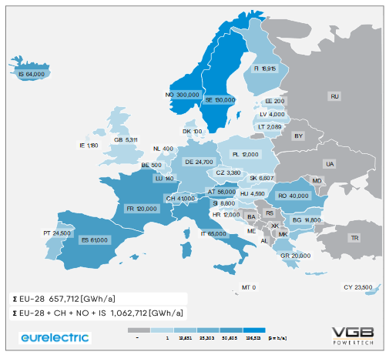
 | AT | 56000
 | BE | 500
 | BG | 14800
 | HR | 12000
 | CY | 23500
 | CZ | 3380
 | DK | 100
 | EE | 200
 | FI | 16915
 | FR | 120000
 | DE | 24700
 | GR | 20000
 | HU | 4590
 | IS | 64000
 | IE | 1180
 | IT | 65000
 | LV | 4000
 | LT | 2089
 | LU | 140
 | MT | 0
 | NL | 400
 | NO | 300000
 | PL | 12000
 | PT | 24500
 | RO | 40000
 | SK | 6607
 | SI | 8800
 | ES | 61000
 | SE | 130000
 | CH | 41000
 | GB | 5311
 | EU27 Total | 652401

Data_Waste_and_Biomass
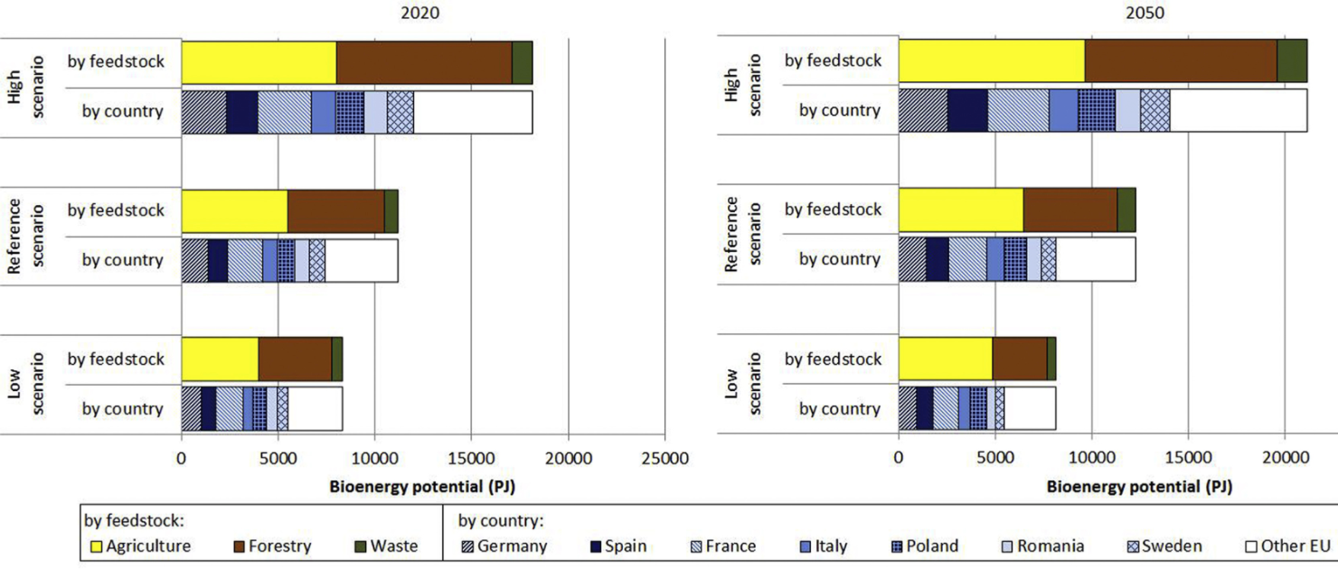
Assumption | Value | Source | Figure 7. Summary of EU28 Biomass potentials per feedstock, country and Scenario (excluding BaU Forestry).
Yearly waste in PJ | 877.20 | JRC-DC ENSPRESO - BIOMASS, 2050 High Scenario filtered to EU27
Yearly waste in MWh | 243659844.00 | Conversion calculation
Efficiency | 0.25 | Agora assumption
Load factor | 0.90 | Agora assumption
Waste plant capacity in MW | 7726.40

Assumption | Value | Source
Yearly biomass in PJ | 18077.90 | JRC-DC ENSPRESO - BIOMASS, filtered to EU27
Yearly biomass in MWh | 5021498283.00 | Conversion calculation
Efficiency | 0.25 | Agora assumption
Load factor | 0.50 | Agora assumption
Biomass plant capacity in MW | 286615.20

 |  |  | Data for EU27 was found at the source of this figure, the JRC-DC ENSPRESO - BIOMASS Dataset

Data Solar
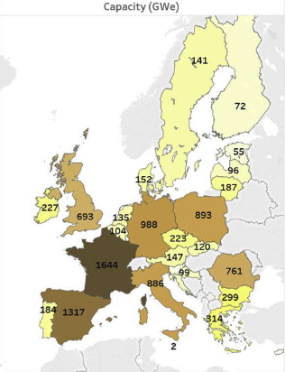
Table 12. Summary of Solar potentials for EU28 by technology cluster – assuming a 3% use of the available non-artificial area. |  |  |  |  | Figure 5. Solar potential capacities
Surface | Technology | Efficiency assumption - power density [Wp/m2] | Potential [GW] |  |  | Capacity (GWe)
TOTAL |  | 170 | 10,127 |  |  | 141
TOTAL |  | 300 | 17,871 |  |  | 72
residential areas roof-top 45 degree south | PV | 170 | 83 |  |  | 55
residential areas roof-top 45 degree east | PV | 170 | 56 |  |  | 96
residential areas roof-top 45 degree west | PV | 170 | 56 |  |  | 187
residential areas roof-top latitude tilt | PV | 170 | 87 |  |  | 893
residential areas facade south | PV | 170 | 108 |  |  | 761
residential areas facade east | PV | 170 | 108 |  |  | 299
residential areas facade west | PV | 170 | 108 |  |  | 314
industrial areas roof-top 45 degree south | PV | 170 | 37 |  |  | 2
industrial areas roof-top 45 degree east | PV | 170 | 25 |  |  | 886
industrial areas roof-top 45 degree west | PV | 170 | 25 |  |  | 99
industrial areas roof-top latitude tilt | PV | 170 | 287 |  |  | 147
industrial areas facade south | PV | 170 | 66 |  |  | 120
industrial areas facade east | PV | 170 | 66 |  |  | 223
industrial areas facade west | PV | 170 | 66 |  |  | 988
natural areas agriculture high irradiation | CSP - before storage | 170 | 598 |  |  | 152
natural areas agriculture low irradiation | PV - ground | 170 | 7,867 |  |  | 135
natural areas non-agriculture high irradiation | CSP - before storage | 170 | 26 |  |  | 104
natural areas non-agriculture low irradiation | PV - ground | 170 | 458 |  |  | 1644
residential areas roof-top 45 degree south | PV | 300 | 147 |  |  | 1317
residential areas roof-top 45 degree east | PV | 300 | 98 |  |  | 184
residential areas roof-top 45 degree west | PV | 300 | 98 |  |  | 227
residential areas roof-top latitude tilt | PV | 300 | 154 |  |  | 693 | (UK, excluded from EU27)
residential areas facade south | PV | 300 | 191
residential areas facade east | PV | 300 | 191
residential areas facade west | PV | 300 | 191
industrial areas roof-top 45 degree south | PV | 300 | 65
industrial areas roof-top 45 degree east | PV | 300 | 43
industrial areas roof-top 45 degree west | PV | 300 | 43
industrial areas roof-top latitude tilt | PV | 300 | 506
industrial areas facade south | PV | 300 | 117
industrial areas facade east | PV | 300 | 117
industrial areas facade west | PV | 300 | 117
natural areas agriculture high irradiation | CSP - before storage | 300 | 1,055
natural areas agriculture low irradiation | PV - ground | 300 | 13,883
natural areas non-agriculture high irradiation | CSP - before storage | 300 | 45
natural areas non-agriculture low irradiation | PV - ground | 300 | 808

 |  | CSP Total (GW) | 1,601 | Sums EU28 numbers, then scales by the ratio of EU27/EU28 solar potential capacity
 |  | PV Total (GW) | 9,046 | Sums all EU27 values, excluding UK

